Heatmap
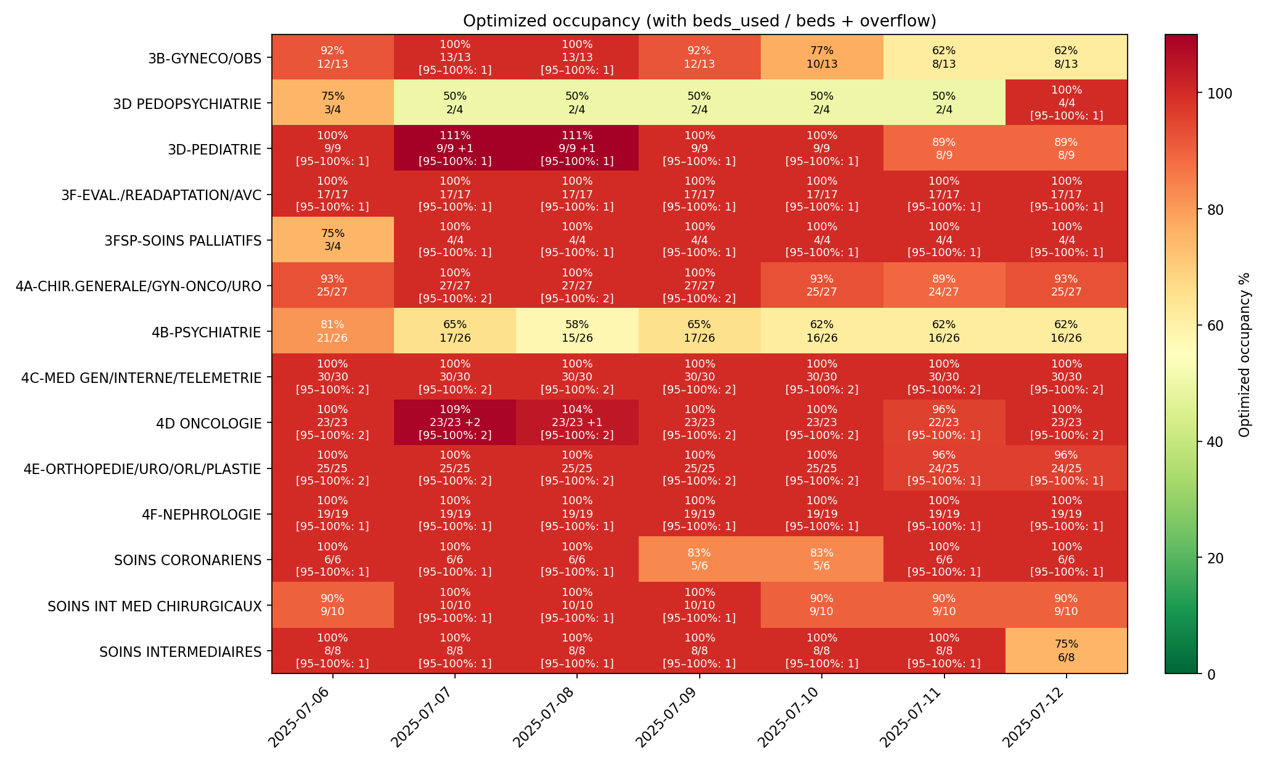
Optimized occupancy heatmap — 2025-07-06 to 2025-07-12
Cell label shows: % and occ/beds (+overflow if any; [95–100%: x])

Actual_occ
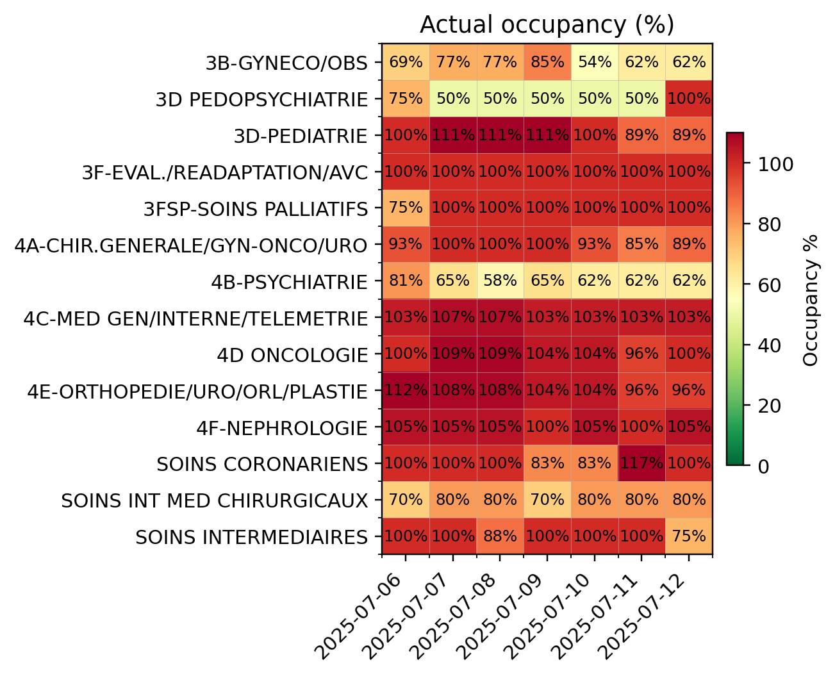
Actual occupancy (%)
Window: 2025-07-06 to 2025-07-12
Generated: 2025-10-31 10:52

Heatmap_compare
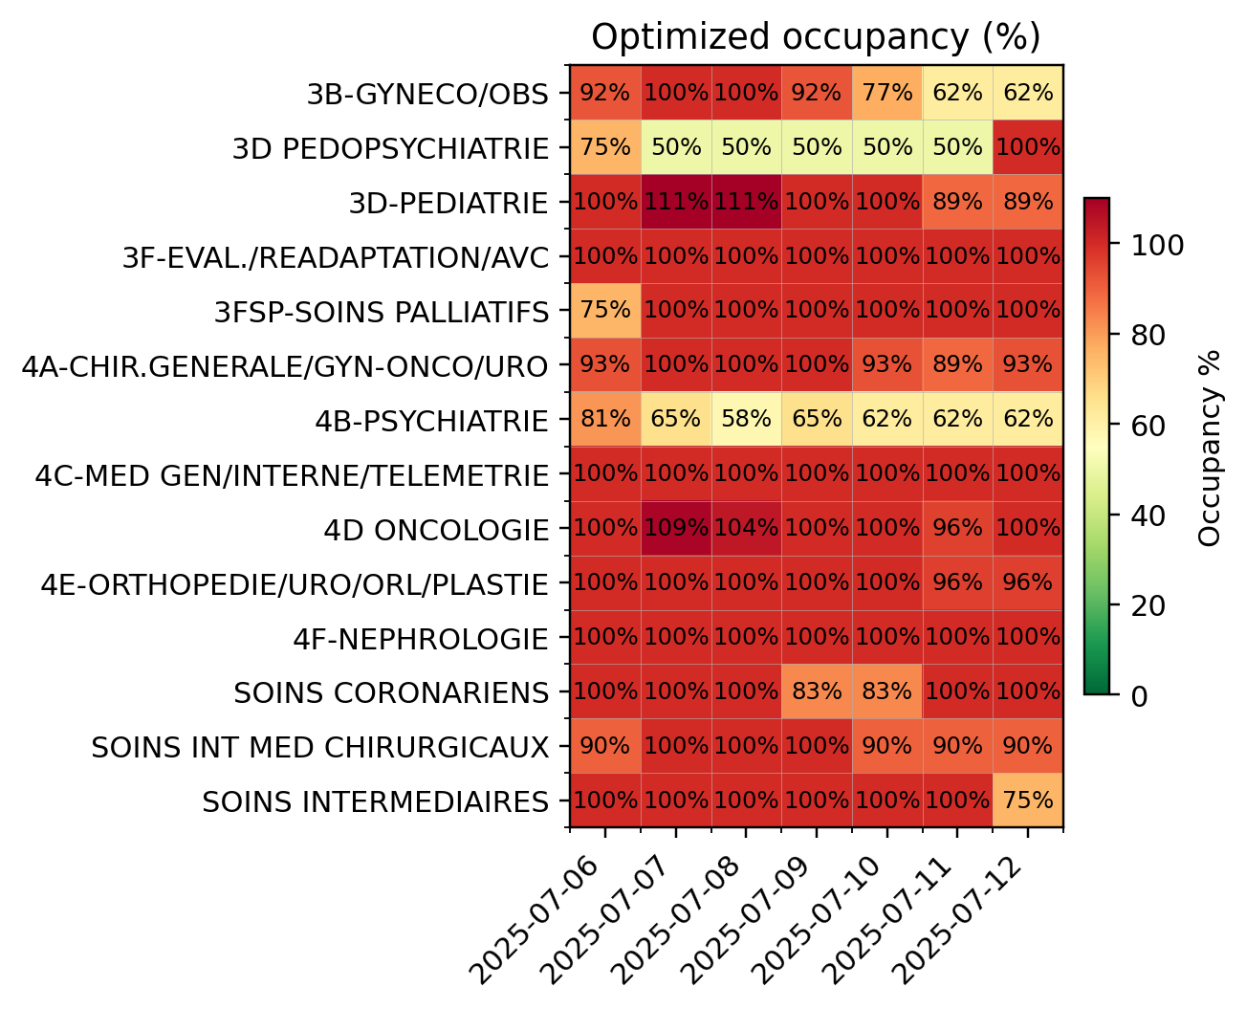
Optimized vs Actual occupancy comparison (2025-07-06 to 2025-07-12)
Both images are generated with identical size, color scale (0–110%), and layout for direct visual comparison.
Generated: 2025-10-31 10:52

